1. Title Page
Project Name: Data Immersion-Instacart Analysis
Date: 5/25/2022
Analyst Name: Riley Vaughn

Contents:
Population Flow
Consistency checks
Wrangling steps
Column derivations
Visualizations
Recommendations

Objective: My goal here is to dive into the sales data of Instacart, in order to uncover valuable insights
that could lead to more succesful sales and strategies for the future of Instacart. I'll do this by using exploratory and critical analysis to extract meaningul data points that will let us hone in on what works, what doesn't, and even some data and strategies that have simply been overlooked.
Context: Instacart stakeholders want to know about the variety of customers in their database along with their purchasing behaviors. They assume they can't target everyone using the same methods, and they’re considering a targeted marketing strategy. They want to target different customers with applicable marketing campaigns to see whether they have an effect on the sale of their products. My analysis will inform what this strategy might look like to ensure Instacart targets the right customer profiles with the appropriate products.

2. Population Flow
Title page

Population Flow

Exclusion flag
Condition: max_order < 5
Obervations to be removed:
Final total count of order_products_all: 32641268

Orders_products_combined
Orders_products_merged
Orders_products_all

Total: 32641268
Total: 32640698
Total: 32641268

1.) The grey boxes in the first row of the population flow represent the original data sets as they were when you downloaded them. In the Total fields you need to add the count of the rows when you imported the data set into Jupyter.
2.) The second row of boxes (coloured) represents the data sets after you manipulated them, e.g., removed missing values and duplicates. In the Total fields you need to add the count of the rows after conducting these operations. This offers a visual oveview of how the data flows throughout the data consistency checks.
3.) The third row, where also the arrows are coloured, represents the merges you performed between the datasets. In the Total fields you need to add the count of the rows in the merged datasets, so that you end up with the final dataset (in the red box). Keep in mind the final dataset should be without exclusions (based on the exclusion flag).

3. Consistency checks
 |  |  |  | Title page
Consistency Checks

Dataset | Missing values | Missing values treatment | Duplicates
orders | days_since_prior_order (206,209 values) | Flag created for first time customers to fix missing values. | N/A
products | product_name (16 values) | New data frame created with missing values filtered out. | 5 Duplicates Found
orders_products_prior | N/A | N/A | N/A
customers | first_name (11,259 values) | N/A | N/A

4. Wrangling steps
 |  |  |  | Title page
Wrangling Steps

Columns dropped | Columns renamed | Columns' type changed | Comment/Reason
"eval_set" |  |  | Uneccesary Information
 | orders_dow - orders_day_of_week |  | Clarity
 | orders_hour_of_day - orders_time |  | Clarity
 | Surnam - last_name |  | Clarity
"Unamed" |  |  | Uneccesary Information
 |  | "first_name" to string
"first_name" |  |  | PII
"last_name" |  |  | PII

5. Column derivations
 |  |  |  | Title page

Column Derivations and Aggregations

In this tab you should add tables below that the frequences of flags/label variables that you produced after deriving them. NB: don't do this for continuous variables, only for flags.
Dataset | New column | Column/s it was derived from | Conditions
ords_prods_merge | 'price_range_loc' | "prices" | If prices<=5, low-range If prices>5 & <=15, mid-range If prices>15, high-range
ords_prods_merge | 'busiest_day' | "orders_day_of_week" | If Saturday, orders_day_of_week=0, busiest day If Wednesday, orders_day_of_week=4, least busy Else=regularly busy
ords_prods_merge | 'busiest_period_of_day' | "order_hour_of_day" | If order_hour_of_day= 10, Most Orders Elif order_hour_of_day=13, Average Orders Else= Fewest Orders
ords_prods_merge | max_order' | "order_number" | Max from order_number
ords_prods_merge | 'loyalty_flag' | "max_order" | If max_order>40, loyal customer If max_order>10 & <=40, regular customer If max_order<=10, new customer
ords_prods_merge | 'spending_flag' | "spending" | If average_spend<10, low spender If average_spend>=10, high spender
ords_prods_cust(4.9) | 'frequency_flag' | "frequency" | If median_order_frequency>20, non-frequent customer If median_order_frequency>10 & <=20, regular customer If median_order_frequency<=10, frequent customer
ords_prods_cust(4.9) | 'age_profile' | "age" | Grouped by 10 year intervals
ords_prods_cust(4.9) | 'income_profile' | "income" | Grouped by $25,000 intervals
ords_prods_cust(4.9) | 'goods_profile' | "department_id" | Grouped values of "department_id" into respective group names
ords_prods_cust(4.9) | 'dependents_profile' | "n_dependants" | Grouped customers by parental status

6. Visualizations
Title page

Visualisations

1. The sales team needs to know what the busiest days of the week and hours of the day are (i.e., the days and times with the most orders) in order to schedule ads at times when there are fewer orders.
2. They also want to know whether there are particular times of the day when people spend the most money, as this might inform the type of products they advertise at these times.
3. Instacart has a lot of products with different price tags. Marketing and sales want to use simpler price range groupings to help direct their efforts.
4. Are there certain types of products that are more popular than others? The marketing and sales teams want to know which departments have the highest frequency of product orders.
5a. What’s the distribution among users in regards to their brand loyalty (i.e., how often do they return to Instacart?
5b. Are there differences in ordering habits based on a customer’s loyalty status?
5c. Are there differences in ordering habits based on a customer’s region?
5d. Is there a connection between age and family status in terms of ordering habits?
5e. What different classifications does the demographic information suggest? Age? Income? Certain types of goods? Family status?
5f. What differences can you find in ordering habits of different customer profiles? Consider the price of orders, the frequency of orders, the products customers are ordering, and anything else you can think of.

1.
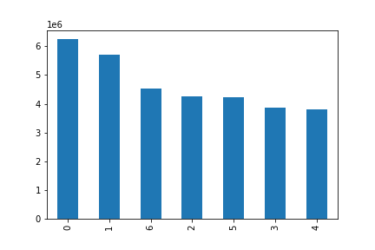


The first graph shows order frequency (Y-Axis) based on the day of the week (X-Axis). It looks like Saturday (0) and Sunday(1) have the highest number of orders.
The second graph shows order frequency (Y-Axis) based on the time of day (X-Axis). Based on the graph we can see that most orders occur between 8am-6pm.

2.
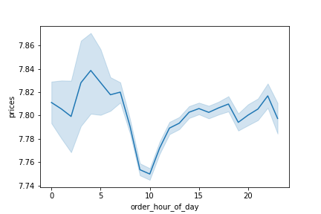

This graphs looks into the prices of items purchased throughout the day. It looks like more expensive items are purchased earlier in the day with a sharp decline around 10am.

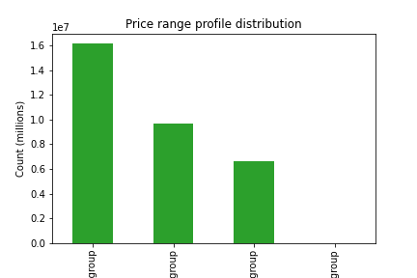
3.

This graphs groups the items based on prices from low to high. The first columns shows low price items, which there are many, and then average price for the next, then high, and finally extremely high. It looks liks the number of items decreases drasticlly as the price goes up, since most everyday grocery items would be low this makes sense.

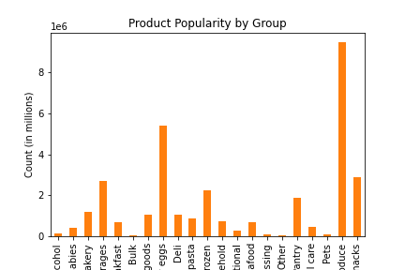
4.

This chart shows the popularity of different items, with poduce being the most popular by far.

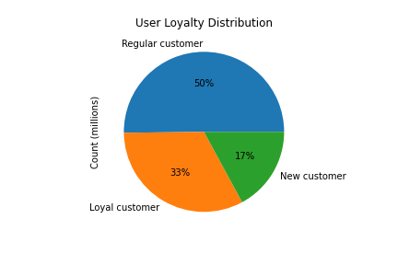
5a.

This chart shows that most of instacarts customers are consistent buyers (Regular Customers).

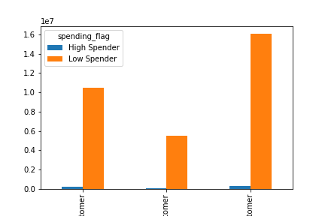
5b.

All groups no matter there consistency or loyaltry status can be considered "low spenders".

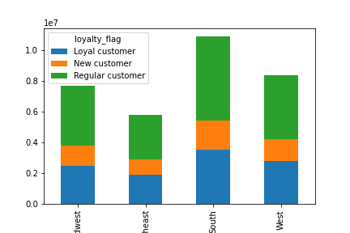
5c.

Thus graph shows breadown of customer loyalty based on region. The makeup is farily consistent across regions with the largest number of customers coming from the South.

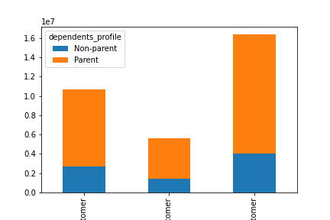
5d.
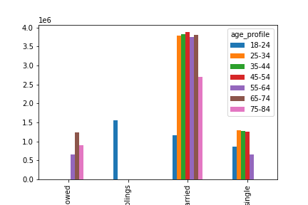

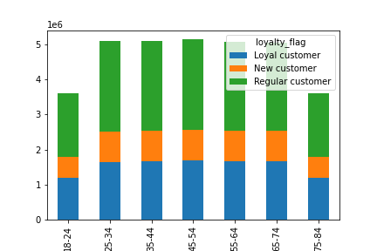

The first two charst show that married/parents make up the majority of customers and purchases.
The last chart shows the breakdown of age across different loyalty groups, which looks fairly consistent.

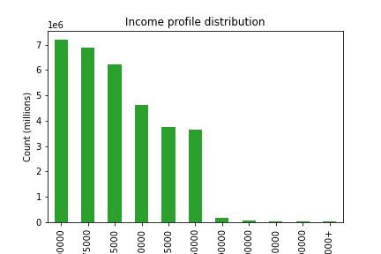
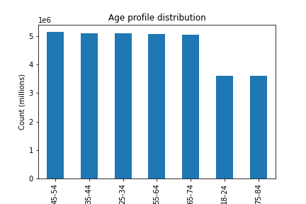
5e.

These charts shows us that most of Instacarts customers "mature adults" over the age of 25, but younger than 75, and make between 50,000 and 125,000 dollars a year.
The distribution of goods remains constant with produce being the main contributer.

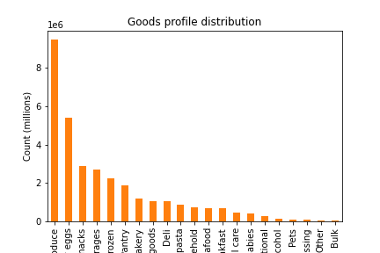

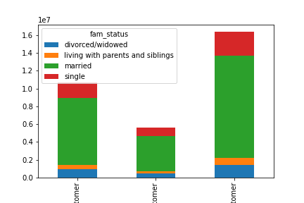

5f.

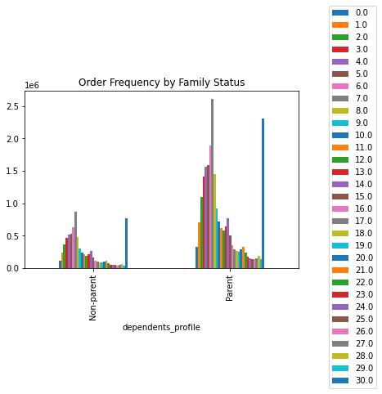

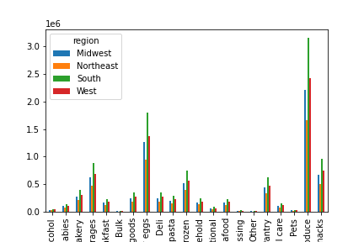

The first chart reinforces my ealrier observation that married couples make up the majority of purchses.
The second one shows the what days of the month most purchases are being made. It clearly lines up on popular pay days in the middle and end of the month.
The last one shows which regions buy what items and is consistent with earlier obesevations and once agin the south is ahead in sheer number of purchases acorss all groups.

7. Recommendations
Title page

Recommendations
Recommendations
Recommendations

1. The sales team needs to know what the busiest days of the week and hours of the day are (i.e., the days and times with the most orders) in order to schedule ads at times when there are fewer orders.
2. They also want to know whether there are particular times of the day when people spend the most money, as this might inform the type of products they advertise at these times.
3. Instacart has a lot of products with different price tags. Marketing and sales want to use simpler price range groupings to help direct their efforts.
4. Are there certain types of products that are more popular than others? The marketing and sales teams want to know which departments have the highest frequency of product orders.
5a. What’s the distribution among users in regards to their brand loyalty (i.e., how often do they return to Instacart?
5b. Are there differences in ordering habits based on a customer’s loyalty status?
5c. Are there differences in ordering habits based on a customer’s region?
5d. Is there a connection between age and family status in terms of ordering habits?
5e. What different classifications does the demographic information suggest? Age? Income? Certain types of goods? Family status?
5f. What differences can you find in ordering habits of different customer profiles? Consider the price of orders, the frequency of orders, the products customers are ordering, and anything else you can think of.

1.

1.

1. The sales team needs to know what the busiest days of the week and hours of the day are (i.e., the days and times with the most orders) in order to schedule ads at times when there are fewer orders.
The busiest days of the week are Saturday and Sunday and the busiest hours are between 9AM and 5PM. Instacart should schedule ads or offer promtions during the slower periods of the week (Thursday-Friday).

2.

2. They also want to know whether there are particular times of the day when people spend the most money, as this might inform the type of products they advertise at these times.
The most expensive items are generally sold at odd times of the morning/night and decline sharply during the day. Instacart could focus the advertising and promotions of these prodcucts around these times.

3.

3. Instacart has a lot of products with different price tags. Marketing and sales want to use simpler price range groupings to help direct their efforts.
The majority of sales are focused around lower prices items, but advertising and promotions could once again be used to promote more expensive itmes in order to establish new purchasing habits.

4.

4. Are there certain types of products that are more popular than others? The marketing and sales teams want to know which departments have the highest frequency of product orders.
The vast majority of goods sold are general produce/eggs/etc. Any marketing being used for these itmes and the low performers like bulk/pets could be used elsewhere .

5a.

5a. What’s the distribution among users in regards to their brand loyalty (i.e., how often do they return to Instacart?
The majority of customer can be considered "regular" returning customers. I think subsciptions and promotions could be used to gradualy move these customers toward the "loyal" category.

5b.

5b. Are there differences in ordering habits based on a customer’s loyalty status?
Pretty much all customers regarless of status are considered "low spenders" meaning they spend 10$ or less. This should be taken into account when marketing and stocking items to better compliment this data

5c.

5c. Are there differences in ordering habits based on a customer’s region?
The south is the clear leader in sheer number of purchases, and marketing and supply chain resources should surely be focused more on this region to encourage further growth.

5d.

5d. Is there a connection between age and family status in terms of ordering habits?
Married adults make up the vast majority of customers for Instacart. Therefore marketing and inventory should be focused primarily on these groups.

5e.

5e. What different classifications does the demographic information suggest? Age? Income? Certain types of goods? Family status?
It's clear that adults between the ages of 25-75, making over 50,000$, and buying produce make up the majority of customers. These demographics can be used to further hone in on the most popular items and behavior of these groups, in order to increase purchases and supply of certain items.

5f.

5f. What differences can you find in ordering habits of different customer profiles? Consider the price of orders, the frequency of orders, the products customers are ordering, and anything else you can think of.
The highest performing customers are middle age, married, and southern The majority of purchases are also made at the middle and end of the month on general produce. These are key factors that can be used to tailor marketing, advertising, and supply chain strategy. Perhaps promotions could be used to benefit this specific group during other times of the month to expand purchases and grow them outside the usual produce categories.

